jordan
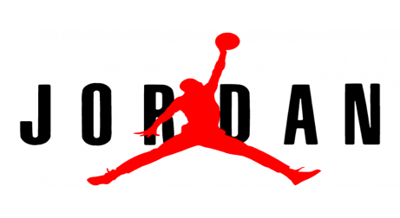
PICTURE | CODE | DESCRIPTION | COLOR | SIZE |  | RRP | QTY | PRICE | DELIVERY
 | 554724-136 |  |  | 41 |  | 139.00 € | 10 | 84.00 €
 |  | AIR JORDAN 1 MID | WHITE/WHITE-WHITE | 42 |  | 139.00 € | 10 | 84.00 € | Now
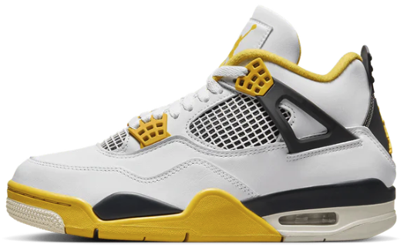 | AQ9129-101 |  |  | 36 | 5.5 | 195.00 € | 10 | 107.00 €
 |  |  |  | 36.5 | 6 | 195.00 € | 10 | 107.00 €
 |  | AIR JORDAN 4 RETRO | WHITE/COCONUT MILK-VIVID SULFUR | 37.5 | 6.5 | 195.00 € | 20 | 107.00 € | Now
 |  |  |  | 38 | 7 | 195.00 € | 20 | 107.00 €
 |  |  |  | 38.5 | 7.5 | 195.00 € | 30 | 107.00 €
 |  |  |  | 39 | 8 | 195.00 € | 20 | 107.00 €
 |  |  |  | 40 | 8.5 | 195.00 € | 20 | 107.00 €
 |  |  |  | 42 | 10 | 195.00 € | 20 | 107.00 €
 |  |  |  | 42.5 | 10.5 | 195.00 € | 50 | 107.00 €
 |  |  |  | 43 | 11 | 195.00 € | 50 | 107.00 €
 |  |  |  | 44 | 11.5 | 195.00 € | 50 | 107.00 €
 |  |  |  | 44.5 | 12 | 195.00 € | 50 | 107.00 €
 |  |  |  |  |  |  | 350

